TPFLYER
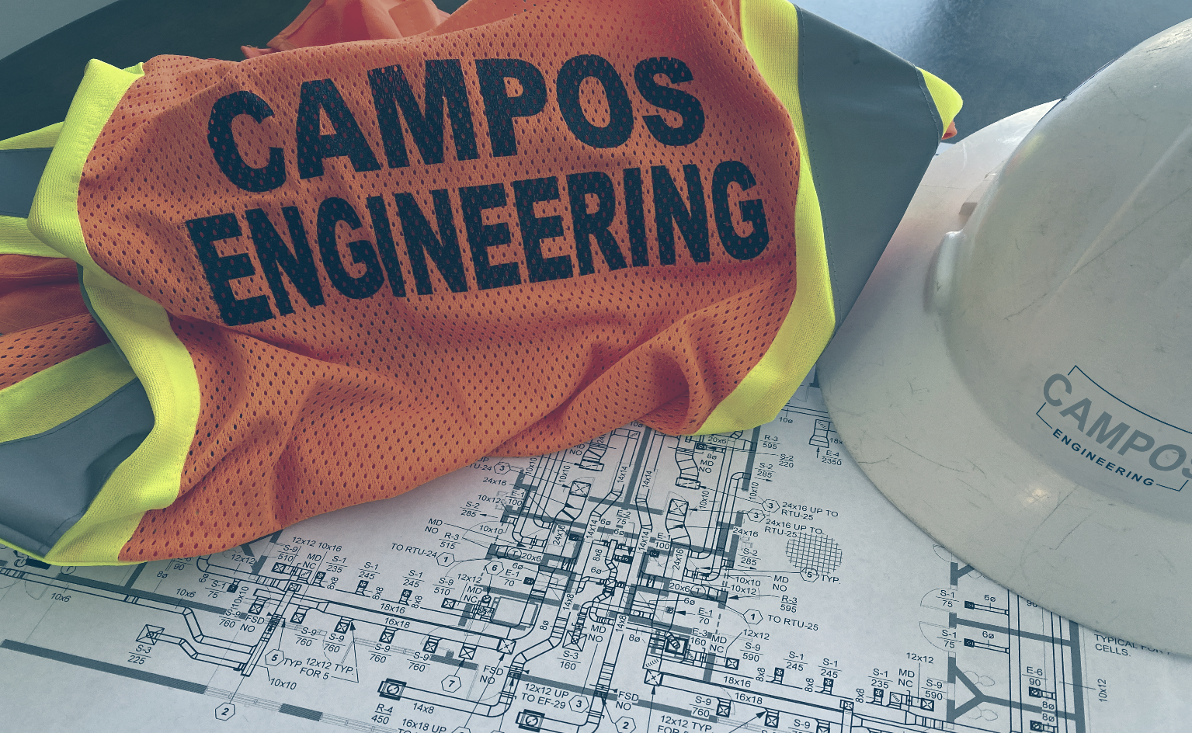 |  |  | Report Builder Selection (AJ38)

 |  |  | Campos NEBB Sealing Office Address 1
 |  |  | 1331 River Bend Drive
 |  |  | 1226 S Lake Street
 |  |  | 10661 Haddington Drive Suite 190
 |  |  | 10737 Gateway West Blvd., Suite 200
 |  |  | 108 Wild Basin Road, Suite 14B

 |  |  | Campos NEBB Sealing Office Address 2
 |  |  | Dallas, TX 75247-4962
 |  |  | Fort Worth, TX 76104-4311
 |  |  | Houston, TX 77043-3250
 |  |  | El Paso, TX 79935-4910
 |  |  | Austin, TX 78746-3326

 |  |  | Campos NEBB Sealing Office Reg. Number
 |  |  | 2951 | <-- Dallas
 |  |  | 3558 | <-- Ft. Worth
 |  |  | 3683 | <-- Houston
 |  |  | 3857 | <-- El Paso
 |  |  | 0 | <-- | Austin

 | test2

 | Testing, Adjusting and Balancing Report |  | Dallas

 | PREPARED BY | PREPARED FOR
REPLACE BOX WITH ACTUAL CLIENT LOGO
 | CAMPOS ENGINEERNIG, Inc.

 | 1331 River Bend Drive
 | Dallas, TX 75247-4962

 | TX Professional Engineering
 | Registration No. F-1731

